Instructions
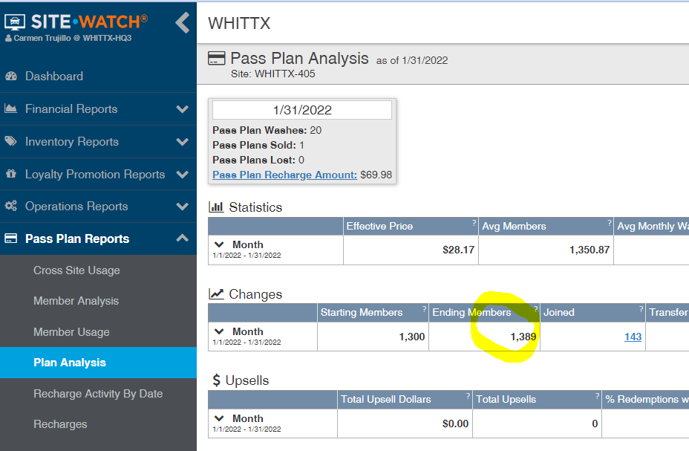
Instructions

**Review your employees hours and correct any missing "punch out" before running the following reports.

Labor by Employee, By Date Report |  |  | Run this report for each week of the pay period

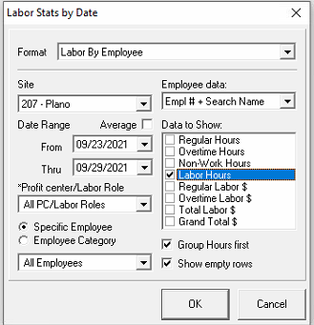

GSR Report |  | Run this report for the entire pay period

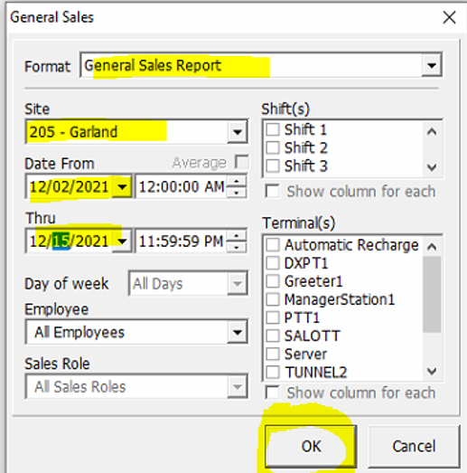

CPMH Bonus |  | To calculate your store CPMH bonus the following information must be entered in the CPMH Bonus worksheet. Submit this information at the end of each payroll.

1 | The total labor hours from the Labor by Employee, By Date Report (add week 1 and week 2 total hours)
2 | The total cars washed from the GSR report

Monthly Store Bonus |  |  | To calculate your store bonus the following information must be entered in the Monthly Bonus worksheet. Submit this information with the 1st payroll of each month.

1 | Labor By Employee - This report will give you the total hours worked for each employee.
 | Reports > Labor Data & Secruity Logs > Labor Statistics from the drop down box select Labor by Employee and enter date range > OK
2 | Plan Analysis as of the end of the prior month. This report will tell you the end of month members. This report will be generated from SiteWatch Web.
 | Enter the last day of the month to show you that month ending members
 | Include a PDF copy of the Plan Analysis Report with your Payroll Submission

